HRV
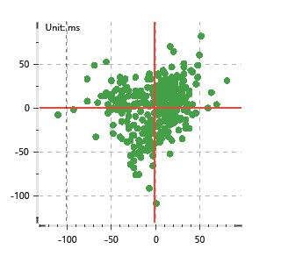
Data Info
 | Recording | 正式实验3
 | Subject | 区嘉伟
 | Create Time | 2023-11-15 15:24:34.907
 | Data Name | Chest1 ECG
 | Data Type | ECG
 | Sample Rate | 512
 | Segment | 前静息态
 | Start Time | 0:00:43
 | End Time | 0:05:43
 | Duration | 0:05:00

Replay Chart
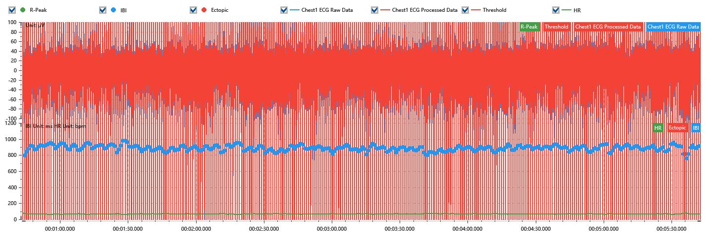

Process parameters
 | Filters
 | Wavlet filter | Enabled | 中
 | Amplitude normalization | Disabled | 中
 | High Pass filter | Enabled | 1μV
 | Band Stop filter | Enabled | 50μV
 | Low Pass filter | Enabled | 100μV
 | Interbeat Interval
 | R-Peak extraction | Maximum heart rate | 120bpm
 | R-Peak extraction | Threshold | 70%
 | Extopic detection | Percent | Disabled | 20%
 | Extopic detection | Median | Enabled | 4(samples)
 | Extopic correction | 中值 | 5(samples)

Time Domain
 | MeanIBI | MeanHR | SDNN | SDANN | RMSSD | SDSD | PNN50 | PNN20 | Data Length
 | 883.35ms | 68bpm | 33.76ms | 0ms | 27.88ms | 27.92ms | 6.21% | 44.38% | 339

Frequency Domain
 | Band | Range | Power | Power Percent | Power Normalized | Peak | Data Length
 | ULF | 0 - 0.0033Hz | 23.7ms² | 2.4% | 0 | 0Hz | 4
 | VLF | 0.0033 - 0.04Hz | 244.31ms² | 24.78% | 0 | 0Hz | 37
 | LF | 0.04 - 0.15Hz | 318.42ms² | 32.29% | 0.44 | 0.04Hz | 113
 | HF | 0.15 - 0.4Hz | 399.64ms² | 40.53% | 0.56 | 0.2Hz | 256

 | Total Power | 986.07ms² | LF/HF | 0.8 | VLF/ULF | 0.1
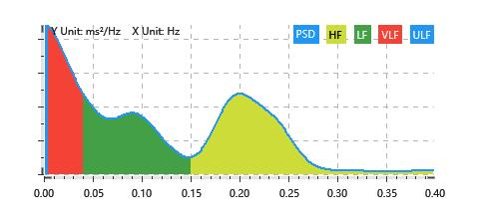

Nonlinear
 | Poincare | SD1 | 19.74ms | SD2 | 43.46ms
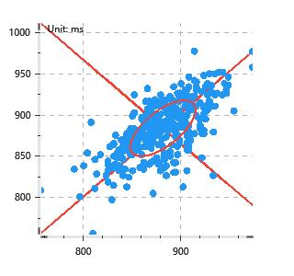

 | Scatter | A++ | 124 | B-- | 73

